Sheet1
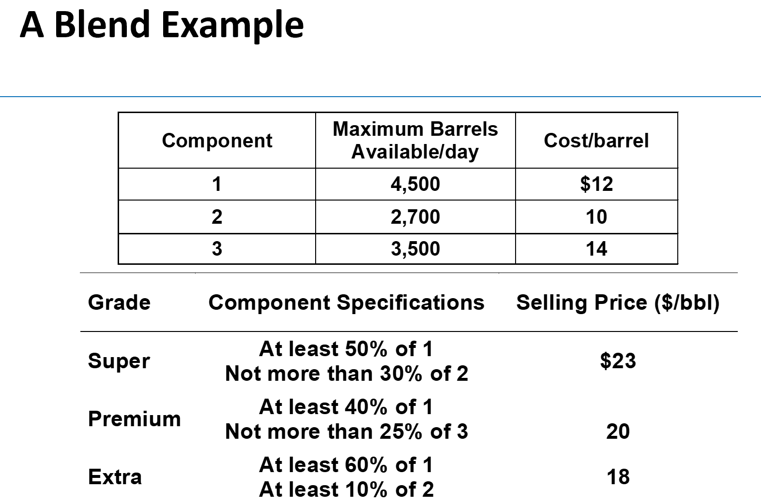
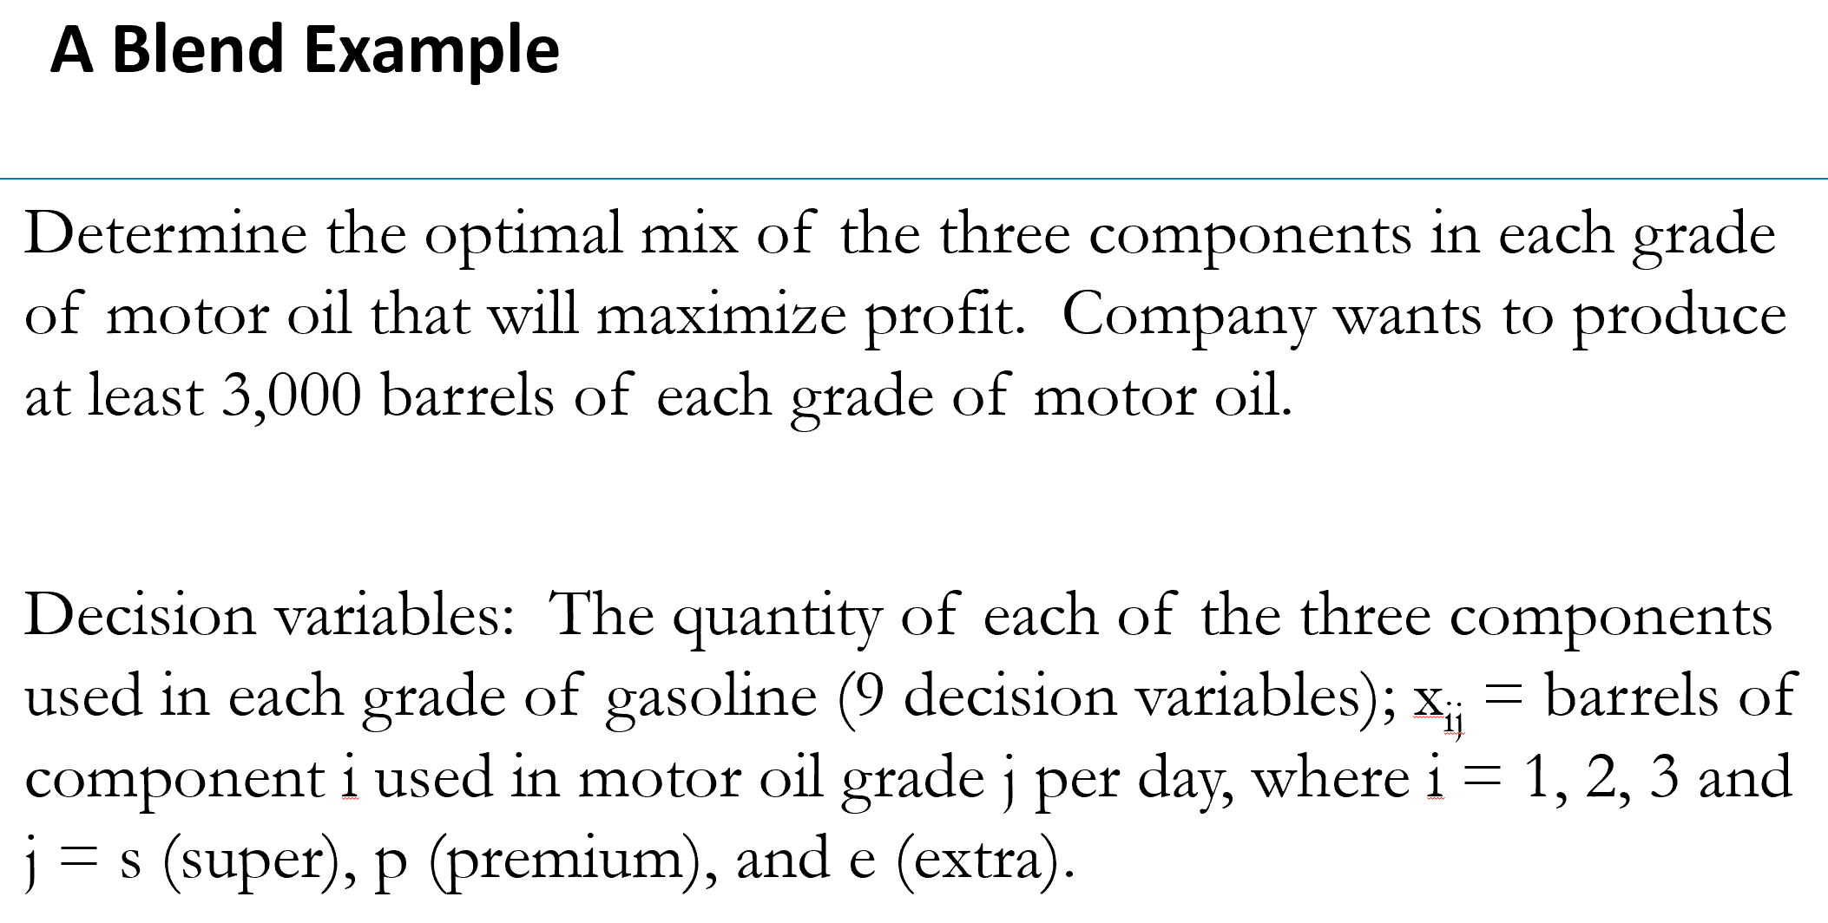

 |  |  |  |  |  |  |  | Profit
 | Super | Premium | Extra | total bbl | Cost/bbl | Objective function |  | 76800
1 | 1500 | 1200 | 1800 | 4500 | 12
2 | 369.63252704 | 1800.000001 | 530.36747197 | 2700 | 10
3 | 1130.367473 | -9.9999999748E-07 | 669.63252802 | 1800 | 14 | Constraints
Total bbl | 3000 | 3000 | 3000 |  |  | barrels |  |  | Component
Selling price | 23 | 20 | 18 |  |  | 4500 | 4500 |  | 0.5 | >= | 0.5
 |  |  |  |  |  | 2700 | 2700 |  | 0.12321084235 | <= | 0.3
 |  |  |  |  |  | 1800 | 3500
 |  |  |  |  |  |  |  |  | 0.4 | >= | 0.4
 |  |  |  |  |  |  |  |  | -3.3333333249E-10 | <= | 0.25

 |  |  |  |  |  |  |  |  | 0.6 | >= | 0.6
 |  |  |  |  |  |  |  |  | 0.17678915732 | >= | 0.1

 |  |  |  |  |  |  |  |  | 3000 | >= | 3000
 |  |  |  |  |  |  |  |  | 3000 | >= | 3000
 |  |  |  |  |  |  |  |  | 3000 | >= | 3000

